Check-list
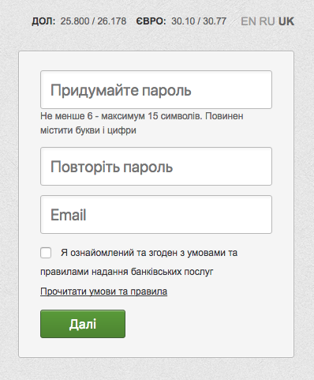
Checklist of the Privat24 password recovery form

 | Smoke test
 | Verify successful password recovery

 | Priority HIGH:
 | positive test cases:
 | Input field «Create a password»
 | Enter 6 characters (uppercase letters + numbers)
 | Enter 15 characters (lower case letters + numbers)
 | Enter a combination of upper + lower case letters+ numbers (10 characters)
 | Input field «Repeat password»
 | Enter 6 characters (uppercase letters + numbers)
 | Enter 15 characters (lower case letters + numbers)
 | Enter a combination of upper + lower case letters+ numbers (10 characters)
 | Input field “e-mail”
 | Enter a valid e-mail
 | Enter an e-mail with a dot inside the name
 | Other
 | Check availability for placeholders
 | Negative test cases:
 | Other
 | Check registration without confirmed checkbox
 | Input field «Create a password»
 | Enter 5 characters (letters + numbers)
 | Enter 16 characters (letters + numbers)
 | Enter numbers only (6 characters)
 | Enter letters only (6 characters)
 | Enter special characters (6 characters)
 | Enter a combination of characters Latin + Cyrillic (6 characters)
 | Enter gaps
 | Leave the input field «Create a password» empty
 | Input field «Repeat password»
 | Enter the different passwords
 | Leave the input field «Repeat password» empty
 | Input field “E-mail”
 | Enter e-mail without @
 | Enter e-mail without domain
 | Enter Cyrillic e-mail
 | Leave the input field «E-mail» empty

 | Priority MEDIUM:
 | positive test cases:
 | Other
 | Check the "Read the Terms and Conditions" link
 | Optional. Check sending a notification about password change to the user`s email
 | Check that error messeges are logic and understandable to common users
 | Priority LOW:
 | positive test cases:
 | Other
 | Check the form confirmation with the Enter key on the keyboard
 | Check the correctness of the error message translation when changing localization
 | Check the correctness of the placeholders translation when changing localization

